Client Segmentation
Client Segmentation
The client segmentation helps to assess the possible scenarios of the clients’ repayment behaviour. The best is to take a bottom up approach: involve the loan officers to make a judgement of their clients and aggregate the results.
Also take into account the quality of the portfolio before the crisis and analyze portfolio allocation by sector.
Assignment 3. For each client segment, estimate the total number of clients and the amount of the total outstanding portfolio associated with those clients. Use the data to fill in the box below by putting the total amount of outstanding loans and the number of clients into whichever repayment behaviour they will likely exhibit.

Important: Client repayment behaviour may change depending on the scenario. Be sure to assess and fill in the box below for each of the scenario that you develop in the previous worksheet. This is critical input for the liquidity gap analysis that you will be performing for each scenario.

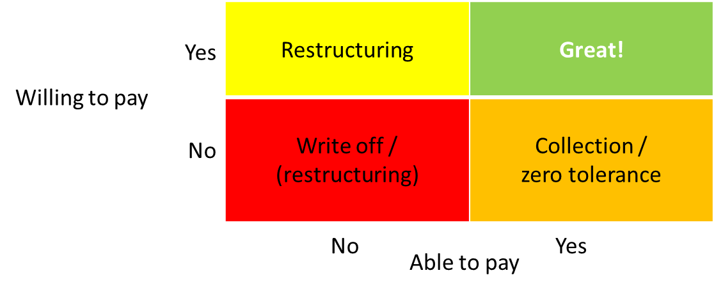

Scenario 1 |  |  |  | Scenario 2 |  |  |  | Scenario 3

WILLING TO PAY | YES | Portfolio Outstanding: | Porttfolio Outstanding: | WILLING TO PAY | YES | Portfolio Outstanding: | Porttfolio Outstanding: | WILLING TO PAY | YES | Portfolio Outstanding: | Porttfolio Outstanding:
 |  | # clients: | # clients: |  |  | # clients: | # clients: |  |  | # clients: | # clients:

 | NO | Portfolio Outstanding: | Portfolio Outstanding: |  | NO | Portfolio Outstanding: | Portfolio Outstanding: |  | NO | Portfolio Outstanding: | Portfolio Outstanding:
 |  | # clients: | # clients: |  |  | # clients: | # clients: |  |  | # clients: | # clients:

 |  | NO | YES |  |  | NO | YES |  |  | NO | YES
 |  | ABLE TO PAY |  |  |  | ABLE TO PAY |  |  |  | ABLE TO PAY

